Reference Data
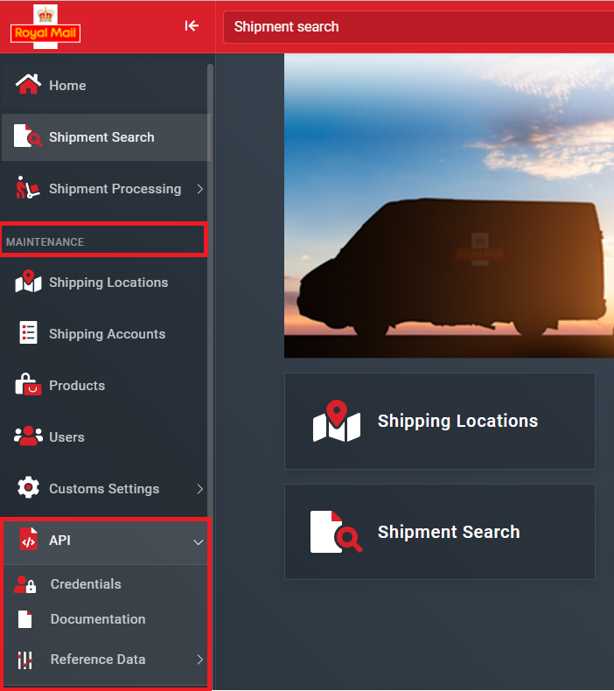
The reference data below can be retrieved directly from the API or from the Pro Shipping portal - please see below for the relevant information.

Data | Description | API Endpoint | Full Specs
Countries | List of all countries available on the system. Information about country name, ISO Alpha-2 and Alpha-3 country code, country group, and further details are returned in the response. | https://api.proshipping.net/v4/countries | Link
Currencies | List of all currencies available on the system. Information about currency name and code is returned in the response. | https://api.proshipping.net/v4/currencies | Link
Time Zones | List of all time zones available on the system. Information about time zone name, UTC offset and country is returned in the response. | https://api.proshipping.net/v4/timezones | Link

 | Also available through Pro Shipping Portal > Maintenance > API > Reference Data

